Rating Scales
In order to define the assessment of the likelihood and impact of risk and the aggregated and residual risk, the following
scales will be utilized:

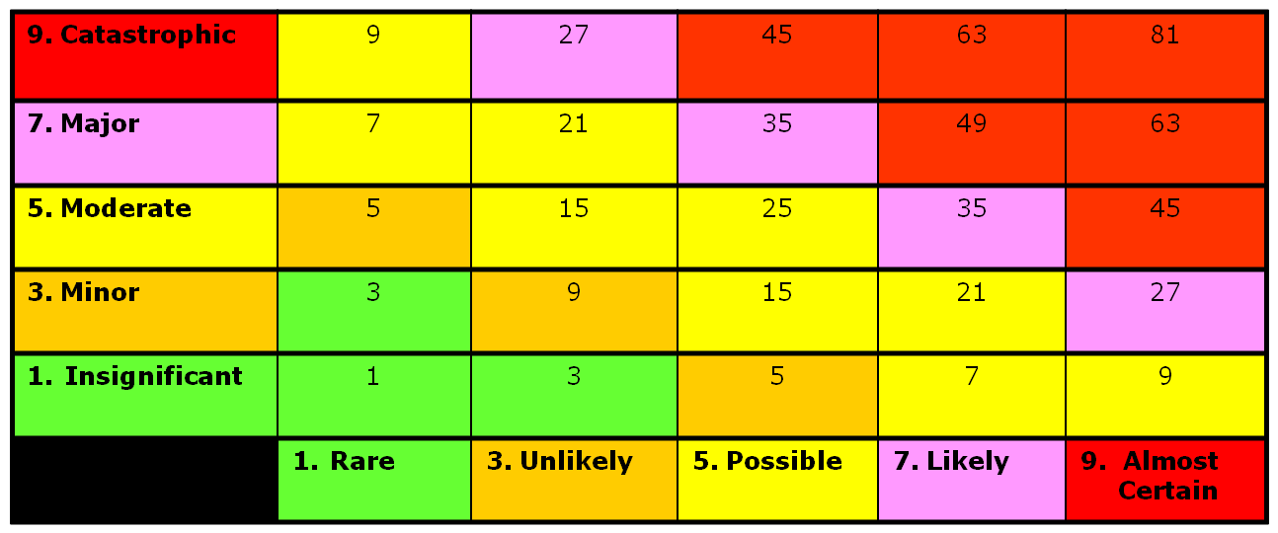

Likelihood Scale

Rare - Very unlikely to remotely possible.
Unlikely - Within the range of remotely possible to somewhat possible.
Possible - Somewhat possible to quite possible.
Likely - Within the range of somewhat possible to very likely possible.
Almost Certain - Very likely to virtually certain.

Impact Scale

Insignificant - Very small (inconsequential) to small (insignifcant) impact.
Minor - Within the range of insignificant to important.
Moderate - Important to significant impact.
Major - Within the range of significant to pervasive impact.
Catastrophic - Pervasive (material) to serious (may threaten organization's existence) impact.

Inherent and Residual Scale

(L) Low - Low likelihood of an event occurring and low impact if the event does occur.
(L/M) Low-Moderate Likelihood - Low to moderate likelihood of an event occurring
and low to moderate impact if the event does occur.
(M) Moderate - Low likelihood of an event occurring and high impact if the event does
occur; or moderate likelihood of an event occurring and moderate impact if the event does
occur; or high likelihood of event occurring and low impact if the event does occur.
(M/H) Moderate-High Likelihood - Within the range of moderate to high likelihood of an event occurring and
moderate impact if the event does occur; or within the range of moderate likelihood of an event occurring and
moderate to high impact if the event does occur;
(H) High - High likelihood of event occurring and high impact if event does occur.

Direction of Risk

(S) Stable - Risk appears to be stable for the next twelve months.
(I) Increasing -Rrisk appears to be increasing during the next twelve months.
(D) Decreasing - Risk appears to be decreasing during the next twelve months.

Risk Management Response Effectiveness

Effective - Significant level of risk management activities and effectiveness.
Effective with Enhancements - Moderate level of risk management activities and effectiveness.
Not effective - The risk is not typically managed.

